Women's Underpants
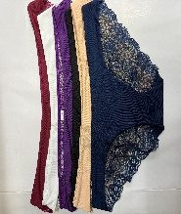
Item | Size | Pemarks | Quantity | Total Bags | Total qty by piece
 | S | 6Pcs/Bag | 16 | 78 | 468
 | M |  | 22
 | L |  | 18
 | XL |  | 19
 | 2XL |  | 3

 | M | 6Pcs/Bag | 13 | 43 | 258
 | L |  | 11
 | XL |  | 6
 | 2XL |  | 13

 | L | 3Pcs/Bag | 3 | 50 | 150
 | XL |  | 22
 | 2XL |  | 25

 | S | 6Pcs/Bag | 20 | 53 | 318
 | M |  | 21
 | XL |  | 12

 | M | 6Pcs/Bag | 33 | 131 | 752
 | L |  | 20
 | XL |  | 29
 | 2XL |  | 16
 | 3XL |  | 16

 | M | 4Pcs/Bag | 2
 | 2XL |  | 2
 | 3XL |  | 4
 | 4XL |  | 9

 | M | 4Pcs/Bag | 11 | 64 | 256
 | L |  | 25
 | XL |  | 23
 | 2XL |  | 2
 | 3XL |  | 3

 | M | 4Pcs/Bag | 26 | 181 | 724
 | L |  | 38
 | XL |  | 7
 | 2XL |  | 26
 | 3XL |  | 34
 | 4XL |  | 30
 | 5XL |  | 20

 | S | 4Pcs/Bag | 10 | 31 | 124
 | L |  | 10
 | XL |  | 10
 | 2XL |  | 1

 | L | 5Pcs/Bag | 13 | 28 | 141
 | XL |  | 11
 | 3XL |  | 3
 | XL | 6Pcs/Bag | 1

 | M | 5Pcs/Bag | 14 | 50 | 250
 | L |  | 13
 | XL |  | 4
 | 2XL |  | 11
 | 3XL |  | 8

 | M | 6Pcs/Bag | 5 | 33 | 159
 | L |  | 6
 | XL |  | 9

 | M | 3Pcs/Bag | 9
 | XL |  | 4

 | S | 4Pcs/Bag | 5 | 50 | 200
 | M |  | 7
 | L |  | 4

 | S | 4Pcs/Bag | 6
 | M |  | 13
 | L |  | 9
 | XL |  | 6

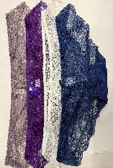
 | M | 4Pcs/Bag | 13 | 33 | 132
 | L |  | 6
 | XL |  | 13
 | XXL |  | 1

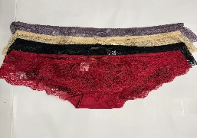 | M | 4Pcs/Bag | 12 | 28 | 112
 | L |  | 1
 | XL |  | 10
 | 2XL |  | 5

 |  |  |  |  | 4044

